Failure Analysis
Reason | Aggregations | Superlatives/Comparatives | Conjunctions | Symmetric Properties | Ranking | Incomplete Information | Query Complexity | Others | Total Unanswered | Total Questions
QALD4 | 1 | 5 | 3 | 1 | 4 | 4 | 0 | 2 | 20 | 50
Bioinformatics | 4 | 0 | 1 | 0 | 1 | 0 | 4 |  | 12 | 30
CORDIS | 2 | 4 | 2 | 0 | 1 | 0 | 1 |  | 10 | 30

 | Aggregations | Superlatives/Comparatives | Conjunctions | Symmetric Properties | Ranking | Incomplete Information | Query Complexity | Others
QALD4 | 1 | 5 | 3 | 1 | 4 | 4 | 0 | 2
Bioinformatics | 4 | 0 | 1 | 0 | 1 | 0 | 4
CORDIS | 2 | 4 | 2 | 0 | 1 | 0 | 1

Notes on Sparklis
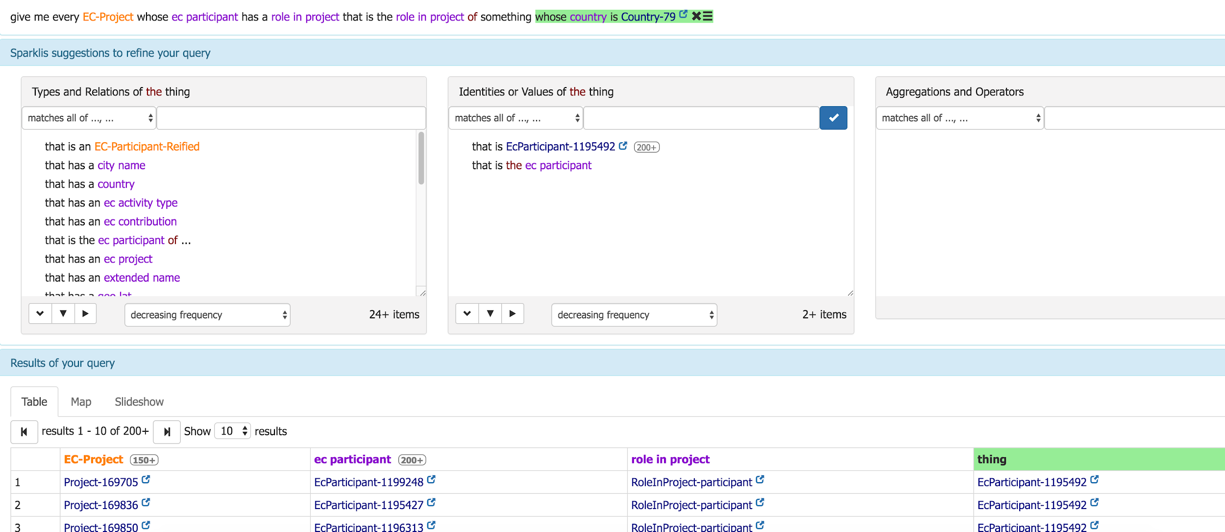
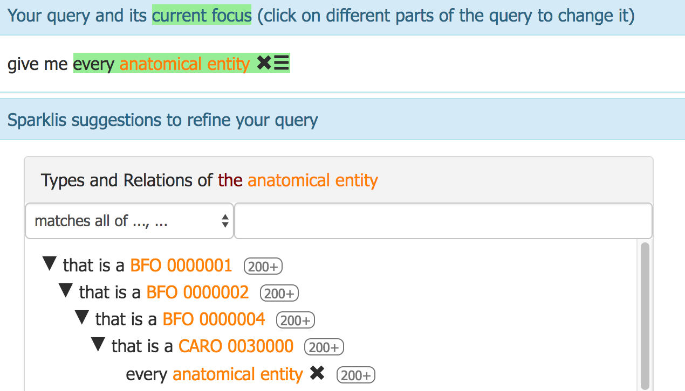
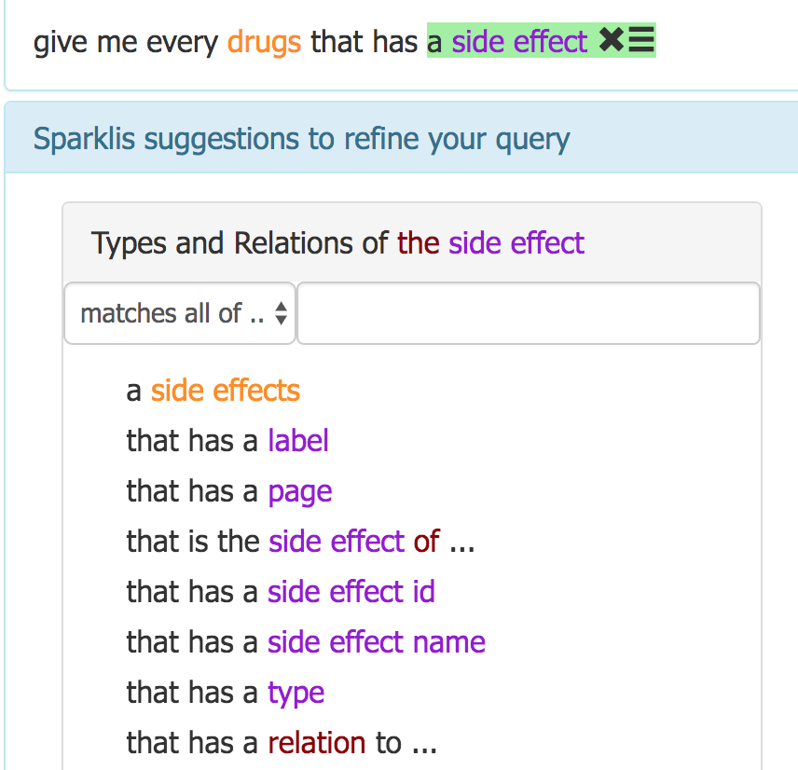
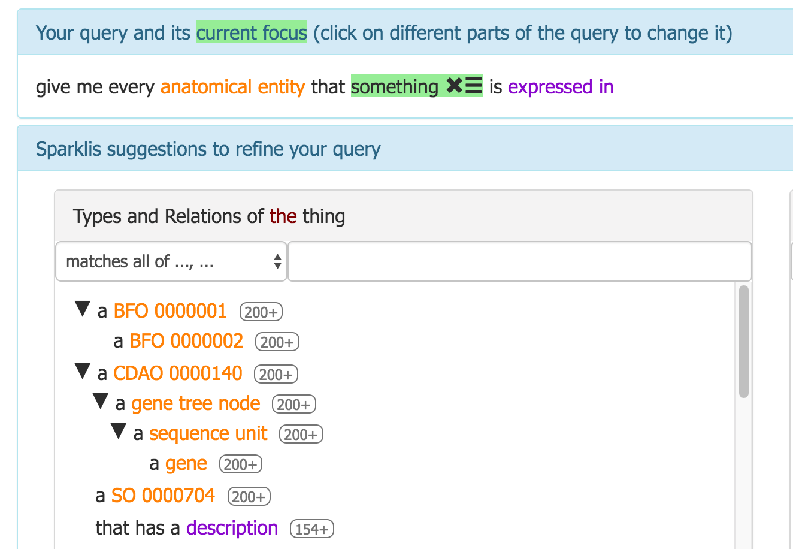
very challenging, time-consuming process to build queries...see examples below
Bgee | QALD4 | CORDIS
http://www.irisa.fr/LIS/ferre/sparklis/?title=Core%20English%20DBpedia&endpoint=http%3A//bgee.org/sparql | http://www.irisa.fr/LIS/ferre/sparklis/?endpoint=http%3A//160.85.254.15%3A7200/repositories/qald-4 | http://www.irisa.fr/LIS/ferre/sparklis/?endpoint=http%3A//160.85.254.15%3A7200/repositories/siris
 |  | example question: http://www.irisa.fr/LIS/ferre/sparklis/?endpoint=http%3A//160.85.254.15%3A7200/repositories/siris&sparklis-query=%5BVId%5DReturn%28Det%28An%281%2CModif%28Select%2CUnordered%29%2CClass%28%22http%3A//unics.cloud/ontology%23EC-Project%22%29%29%2CSome%28Rel%28%22http%3A//unics.cloud/ontology%23ecParticipant%22%2CFwd%2CDet%28An%2821%2CModif%28Select%2CUnordered%29%2CThing%29%2CSome%28Rel%28%22http%3A//unics.cloud/ontology%23roleInProject%22%2CFwd%2CDet%28An%2840%2CModif%28Select%2CUnordered%29%2CThing%29%2CSome%28Rel%28%22http%3A//unics.cloud/ontology%23roleInProject%22%2CBwd%2CDet%28An%2859%2CModif%28Select%2CUnordered%29%2CThing%29%2CSome%28Rel%28%22http%3A//unics.cloud/ontology%23country%22%2CFwd%2CDet%28Term%28URI%28%22http%3A//unics.cloud/ontology%23Country-79%22%29%29%2CNone%29%29%29%29%29%29%29%29%29%29%29%29%29%29&sparklis-path=DDDDDDDD&proxy=true
NOTE: ignore error that SPARQL endpoint is not responsive, wait for 1 minute and then start interacting with system

